experience-journey-map
Stage | Registration and Login |  | Customer, Menu and Delivery Management |  |  |  |  |  |  |  | Monitor Order Preparation and Management
Outline - Persona "Joseph Tribbiani" | Joseph opens restaurant | Sets up his work station. | Explores the HungeReady app | Looks for customer | Finds customer order | Prepares Order | Ensures Order Payment | Requests Delivery Driver | Confirms Order PickUp | Confirms Order Delivery | Monitors Kitchen | Confirms Order Preparation | Confirms Pickup from Customer
Joseph Tribbiani’s journey (Joseph Tribbiani) | Joseph opens restaurant | Sets up his work station. | Explores the HungeReady app | Looks for customer | Finds customer order | Prepares Order | Ensures Order Payment | Requests Delivery Driver | Confirms Order PickUp | Confirms Order Delivery | Monitors Kitchen | Confirms Order Preparation | Confirms Pickup from Customer
Joseph's journey through HungeReady (Joseph Tribbiani) | Joseph is frustrated with manual data entry for orders and deliveries. | He discovers HungeReady on the internet through an email promotional ad. He then registers and logs into his HungeReady profile account. | He proceeds to add a new online delivery order that was requested through his restaurant website that was hosted on the HungeReady platform. | He then tracks his customer through his phone number using the search option. | He sees that the order was placed by an existing customer. | He selects the requested items from the restaurant menu and adds it to the order. | He confirms the payment made by the customer. | He then requests a delivery driver and waits for the HungeReadyToDrive? Delivery Driver to pick-up the order from his restaurant. | Driver arrives at the restaurant. Joseph confirms order pickup and tracks order delivery. | Driver delivers order successfuly to the customer and Joseph receives order delivery confirmation. | He then proceeds to monitor the order preparation within his kitchen for that day. | He notices that 15 minutes has passed since the order was placed for a pick-up from the restaurant and confirms that it is ready for the customer to pick-up from the restaurant. | Customer picks up order. Joseph is very happy that he was able to many tasks seamlessly without manual management of orders and deliveries.
Joseph Tribbiani’s storyboard (Joseph Tribbiani) | 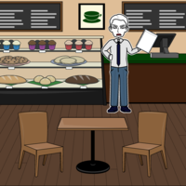 | 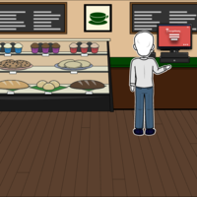 | 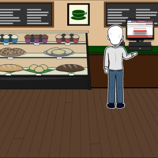 |  | 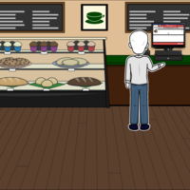 | 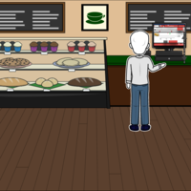 |  | 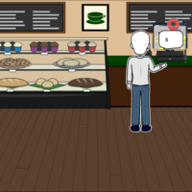 | 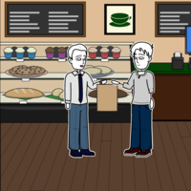 | 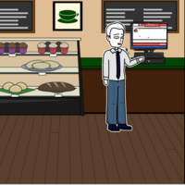 |  | 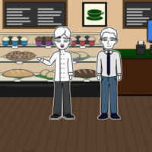 | 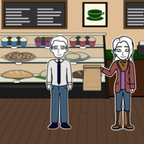
Joseph's Emotional journey
Joseph Tribbiani | -2 | -1 | 0 | 0 | 1 | 0 | 2 | 0 | 1 | 2 | 0 | 0 | 2

